Elite Recycling
Elite Recycling VAR052045
Calculation of tPCB discharged using runoff assumptions and PCB Data
Goose Creek WLA |  | 1907.9 | mg/year

 | outfall | A, acres | A, sq.ft. | Ia | Rv | R, in/yr | R, cu.ft./yr | R, Gal/yr | R, Liters/yr | PCB pg/L | PCB pg/year | PCB mg/ year

assume 90% impervious in outfalls 001 and 002:
2013-12-14 | composite | 18.6 | 810216 | 0.39 | 0.401 | 15.98787 | 1,079,469 | 8,074,968 | 30,563,754 | 2,801.00 | 8.5609E+10 | 85.609073604

 |  | 18.6 | 90% of A is = |  | 16.74 |  |  | contribution from outfalls = |  |  |  | 85.609073604

 |  | 18.6 | 810216 | 0.9 | 0.86 | 34.2882 | 2,315,071 | 17,317,886 | 65,548,200 | 2,801.00 | 1.8360E+11 | 183.60050698

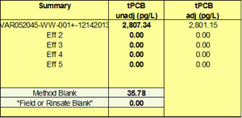

P = annual rainfall (in/yr) |  |  |  | per GM the Virginia annual average rainfall of 44.3 inches/year
Pj = fraction of annual events that produce runoff (usually 0.9)
Rv = runoff coefficient, which can be expressed as:
Rv = 0.05 + (0.9 x Ia)
where:
Ia = the impervious fraction (the ratio of impervious area to the total area)
The R here should be annual runoff, calculated as: |  | inches/year
R = P x Pj x Rv

